Sheet1
Bagmo Blood Suite
Google Chrome
Tested By: P.Shirin
Verified by: Bagmo Pvt Ltd
Bug_ID | Expected Result | Bug Description | Steps to Reproduce | Screenshot | Severity | Priority | Status
Def_Bagmo_01 | Should be able to choose blood groups using automation testing techniques. | On running the test case using Selenium Java, it failed to automatically choose the blood group. | 1. Open the browser 2. Pass the URL of the website 3.Login to the website. 4. Navigate to Donor Registration. 5. Inspect web element. |  | Medium | High | New
Def_Bagmo_02 | The pin code field should not accept string data and accept only numeric data. | The pin code field accepted string data. | 1. Open the browser 2. Pass the URL of the website 3.Login to the website. 4. Navigate to Donor Registration. 5. Enter data into the pincode field of the donor registration page. | 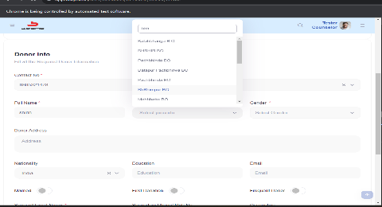 | Critical | High | New
Def_Bagmo_03 | Should be able to choose the gender using automation testing techniques. | The user is not able to submit values. | 1. Open the browser 2. Pass the URL of the website 3.Login to the website. 4. Navigate to Donor Registration. 5. Inspect the web element. |  | Medium | High | New
Def_Bagmo_04 | Should be able to choose the Nationality using automation testing techniques. | The value passed but not able to submit value. | 1. Open the browser 2. Pass the URL of the website 3.Login to the website. 4. Navigate to Donor Registration. 5. Inspect the web element. |  | Medium | High | New

